Ark1
 | Unsigned | Signed-Magnitude | Ones Compliment | Twos Compliment | Biased
56 | 00111000 (8) | 00111000(8) | 00111000(8) | 00111000(8) | 11011011(8)
178 | 1011 0010 (8) | 0 1011 0010 | 1 0100 1101 | 1 0100 1110 | 11011 0001
1002 | 11 1110 1010 | 011 1110 1010 | 100 0001 0101 | 100 0001 0110 | 111 1110 1001
7586 | 1 1101 1010 0010 | 01 1101 1010 0010 | 10 0010 0101 1101 | 10 0010 0101 1110 | 11 1101 1010 0001

 |  |  |  |  |  |  |  | 1 | 1
 |  |  |  |  | 56 |  | 0 | 0 | 1 | 1 | 1 | 0 | 0 | 0
 |  |  |  |  | 178 |  | 1 | 0 | 1 | 1 | 0 | 0 | 1 | 0
 |  |  |  |  | 234 |  | 1 | 1 | 1 | 0 | 1 | 0 | 1 | 0
 |  |  |  |  |  |  | 1 | 1 | 1 | 1 | 1 | 1 | 1
 |  |  |  |  | 1002 |  |  | 0 | 0 | 1 | 1 | 1 | 1 | 1 | 0 | 1 | 0 | 1 | 0
 |  |  |  |  | 7586 |  | 1 | 1 | 1 | 0 | 1 | 1 | 0 | 1 | 0 | 0 | 0 | 1 | 0
 |  |  |  |  | 8588 | 1 | 0 | 0 | 0 | 0 | 1 | 1 | 0 | 0 | 0 | 1 | 1 | 0 | 0

 | Unsigned | Signed-Magnitude | Ones Compliment | Twos Compliment | Biased
-56 |  | 10111000(8) | 01000111 | 01001000 | 01000111
-178 |  | 1 1011 0010(16) | 0 0100 1101 | 0 0100 1110 | 1 0100 1101
-1002 |  | 1111 1110 1010(16) | 0000 0001 0101 | 0000 0001 1011 | 1000 0001 0101
-7586 |  | 11 1101 1010 0010 | 00 0010 0101 1101 | 00 0010 0101 1110 | 10 0010 0101 1101

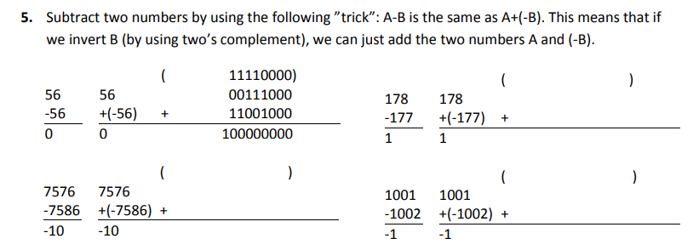

 |  |  |  |  |  | 1 | 1 | 1 | 1 | 1 | 1 | 1
 | Unsigned | Twos Compliment |  |  | 178 |  | 1 | 0 | 1 | 1 | 0 | 0 | 1 | 0
56 | 00111000 (8) | 00111000(8) |  |  | -178 TC | 1 | 0 | 1 | 0 | 0 | 1 | 1 | 1 | 0
178 | 1011 0010 (8) | 1 0100 1110 |  |  | 0 | 0 | 0 | 0 | 0 | 0 | 0 | 0 | 0 | 0
1002 | 11 1110 1010 | 100 0001 0110
7586 | 1 1101 1010 0010 | 10 0010 0101 1110 |  |  |  | 1 | 1 | 1 | 1 | 1 | 1 | 1 | 1 | 1
 |  |  |  |  | 1002 |  | 1 | 1 | 1 | 1 | 1 | 0 | 1 | 0 | 1 | 0
 |  |  |  |  | -1002 TC | 1 | 0 | 0 | 0 | 0 | 0 | 1 | 0 | 1 | 1 | 0
 |  |  |  |  | 0 | 0 | 0 | 0 | 0 | 0 | 0 | 0 | 0 | 0 | 0 | 0

 |  |  |  |  |  | 1 | 1 | 1 | 1 | 1 | 1 | 1 | 1 | 1 | 1 | 1 | 1
 |  |  |  |  | 7586 |  | 1 | 1 | 1 | 0 | 1 | 1 | 0 | 1 | 0 | 0 | 0 | 1 | 0
 |  |  |  |  | -7586 TC | 1 | 0 | 0 | 0 | 1 | 0 | 0 | 1 | 0 | 1 | 1 | 1 | 1 | 0
 |  |  |  |  | 0 | 0 | 0 | 0 | 0 | 0 | 0 | 0 | 0 | 0 | 0 | 0 | 0 | 0 | 0

